Guidance
The Geological Society CPD Scheme - Log Book (V1share-20/08/2025 )

Table of Contents
1. How to Use and Modify This Log Book
2. Tips for Effective CPD Recording
3. Personal Development Plan - 5-year Career Aspiration Plan
4. Example of a CPD Record
5. CPD Hours – Table of Requirements
6. Mind Map
7. Learn More About Our CPD Scheme on the Geological Society CPD Webpage

1. How to Use and Modify This Log Book

To add a new CPD year tab:
à Right-click an existing year tab (use an empty one if possible).
à Select ‘Move or Copy…’, choose the tab to copy, tick ‘Create a copy’, and click OK.
à Right-click the new tab and choose ‘Rename’ to update the name.

To change the year’s dates:
àEdit cell A5 and cell A21 with the new dates.

When adding CPD activities:
àAlways select a category from the dropdown list – this ensures hours are counted in the ‘Summary of CPD Activities’ box.
àEnter CPD hours in decimal format:
For example, 30 minutes = 0.5

2. Tips for ensuring effective CPD recording:

1) Ensure your CPD follows the 'plan → act → reflect' approach
Start by outlining your aims and objectives for the year, record your CPD activities and, at the end of the year, add an annual review to reflect on what you achieve.

Each CPD activity should have:
✓ an event date
✓ a CPD category
✓ a brief description of the event, including a note of the provider (if it is a course)
✓ the time spent
✓ evidence of participation - keep a record! (For Chartership candidates - you do not need to submit the actual evidence, just have it available for audit

Your completed CPD should have:

✓ a statement of planned goals and objectives
✓ a summary of hours gained in each CPD category
✓ a short reflection on what was achieved
✓ an indication of which objectives were not achieved, and why
✓ a brief discussion of events undertaken that were not in the plan

2) Set up a five-year plan outlining your professional development goals

3) Establish a weekly reminder to update your CPD records
Consistency simplifies the process and updating CPD while activities are fresh in your mind ensures robust records and maximises learning outcomes.

For Chartership candidates: There is a separate CPD upload field on the application form and you can upload your CPD in any format as long as your record follows a 'plan → act → reflect' approach.

For Chartered Fellows: A number of Chartered Geologists and Chartered Scientists are selected each year for an audit of their CPD records in order to ensure that they are maintaining their records. If selected, you will be required to present a written account of your CPD activities.

3. Personal Development Plan - 5-year Career Aspiration Plan
Please use the 'Overall Plan & Reflection' tab to document your 5-year personal development plan, along with the plan and reflection for each individual year within your 5-year CPD period. Example:

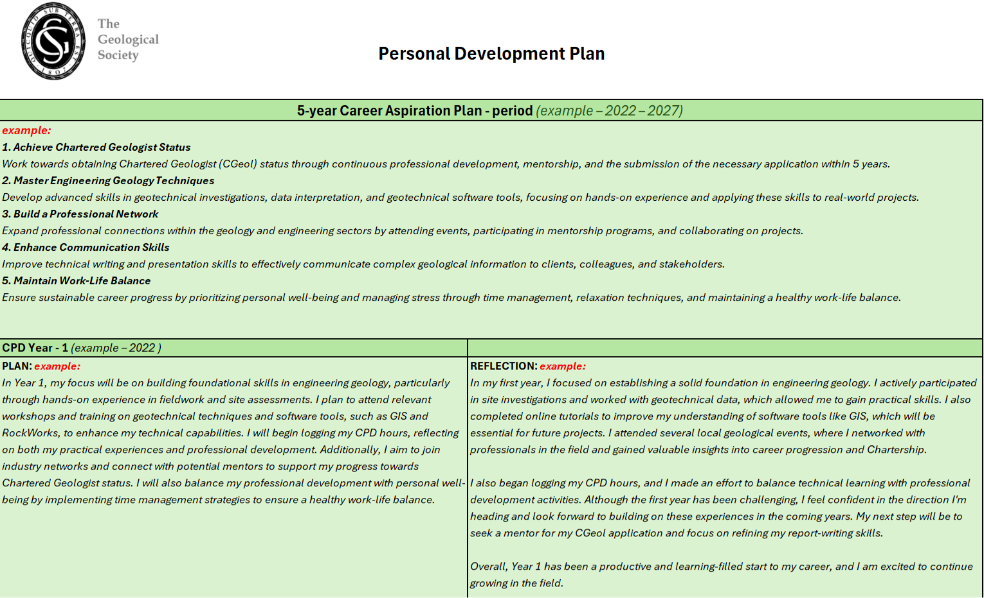

4. Example of a CPD Record

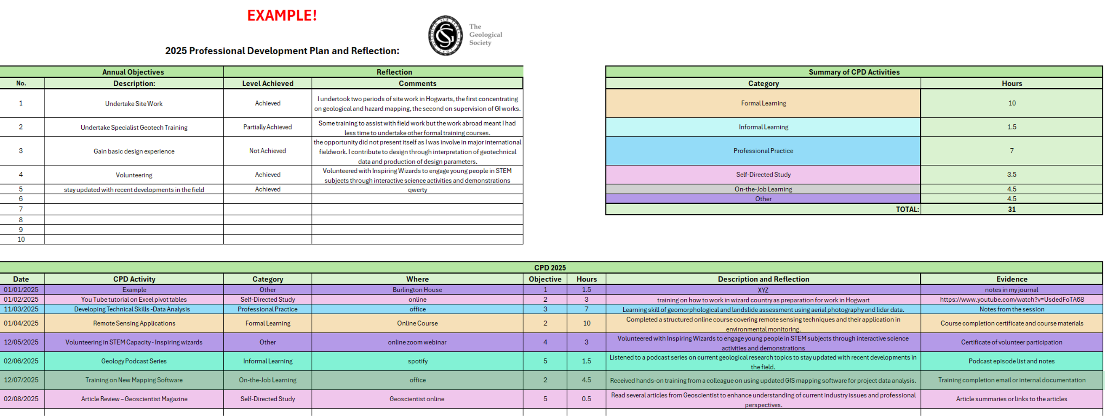

5. CPD Hours – Table of Requirements

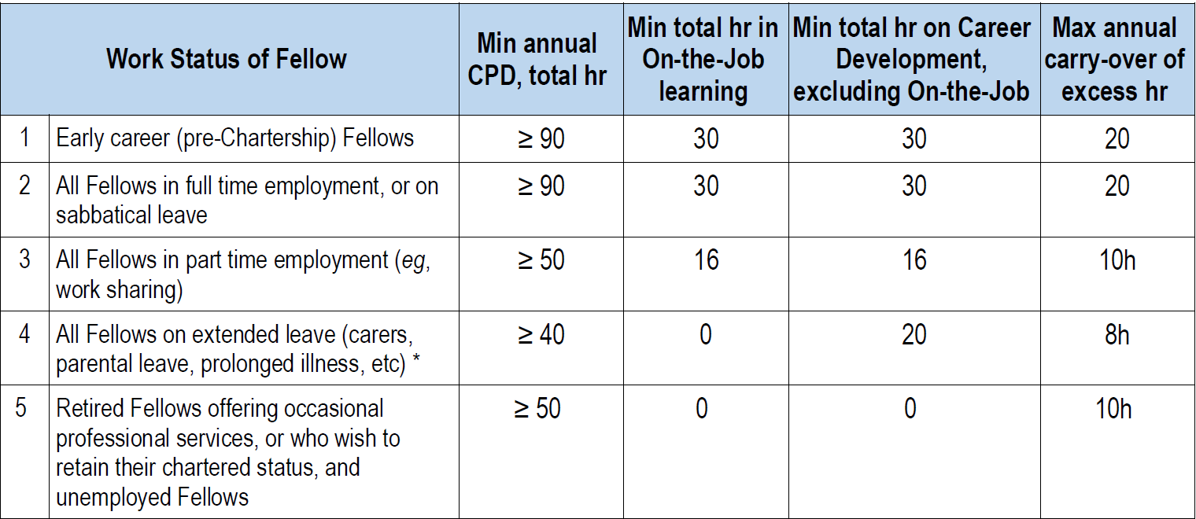

6. Mind Map

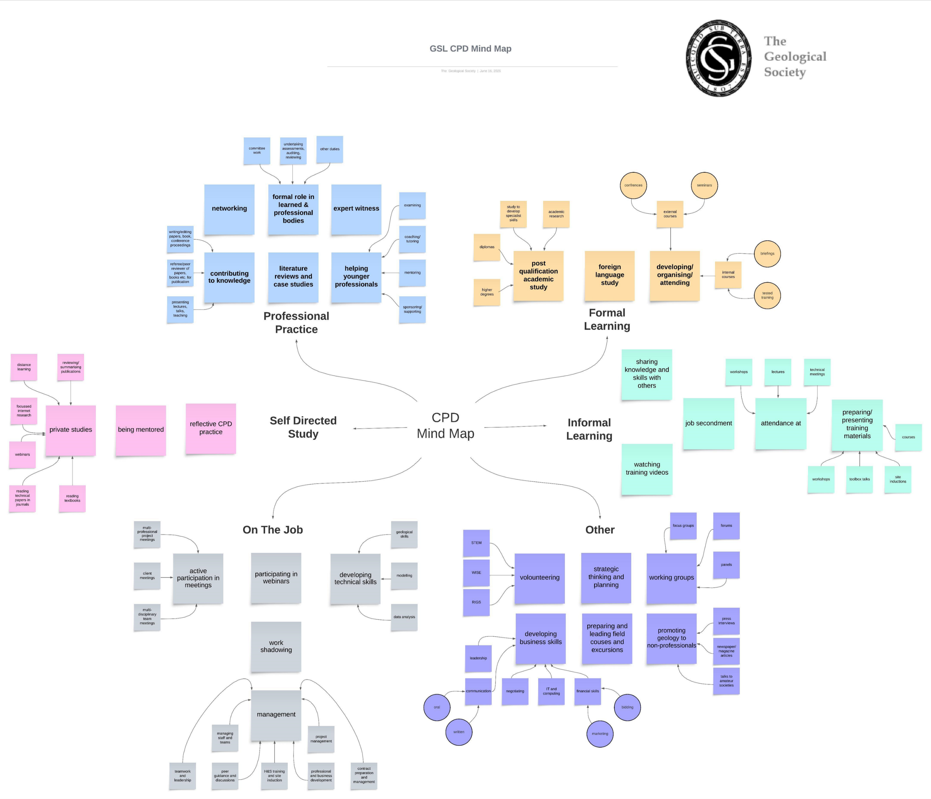

#F6E0B8 | Formal Learning
#C4F8F7 | Informal Learning
#94DCF8 | Professional Practice
#F0C6EC | Self-Directed Study
#D0D0D0 | On-the-Job Learning
#B49AE8 | Other

